App Strategies
Instructions
Selecting an Application Strategy provides guidance for technical planning, ensuring that migration treatments align with desired business outcomes. This is a strategic, non technical exercise, aimed at assessing the current role and future potential of each application in your business. Use the guide below to choose the strategy that best fits each application's current plans or overall usage. If the strategy is unknown for an application, simply proceed to the next one.
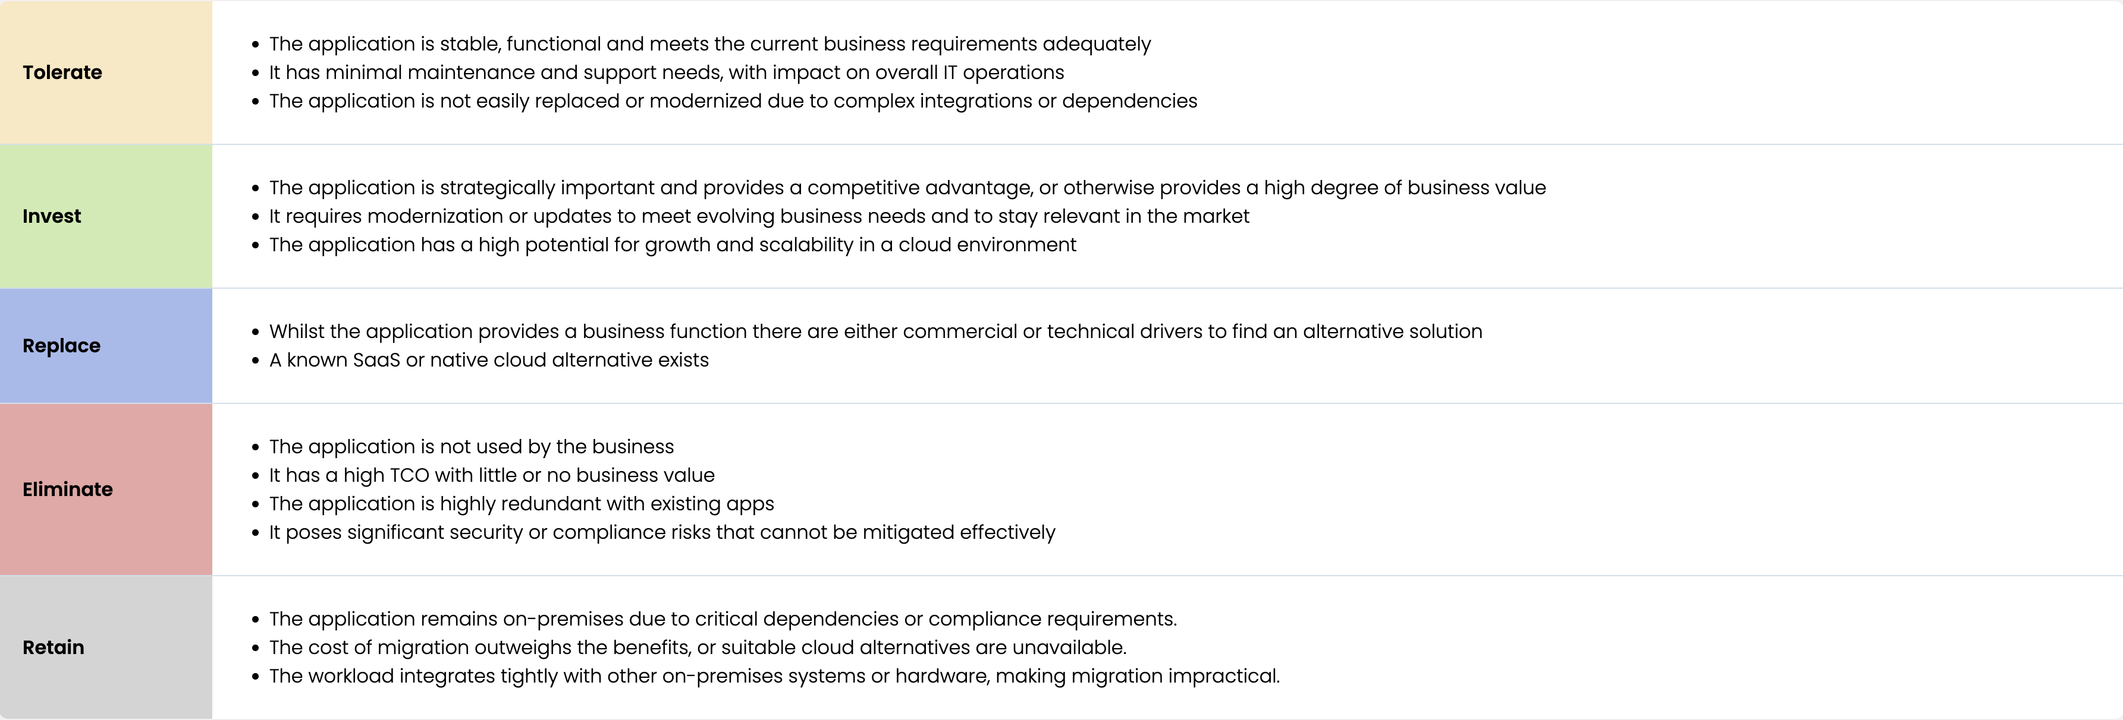
Application | Select Application Strategy

